Picture
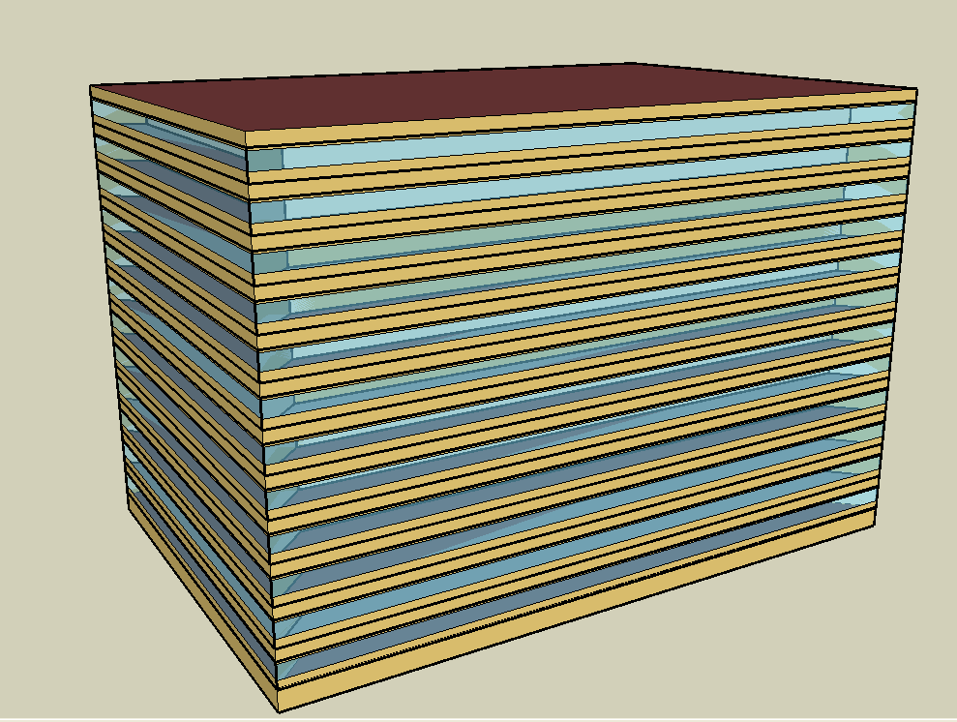
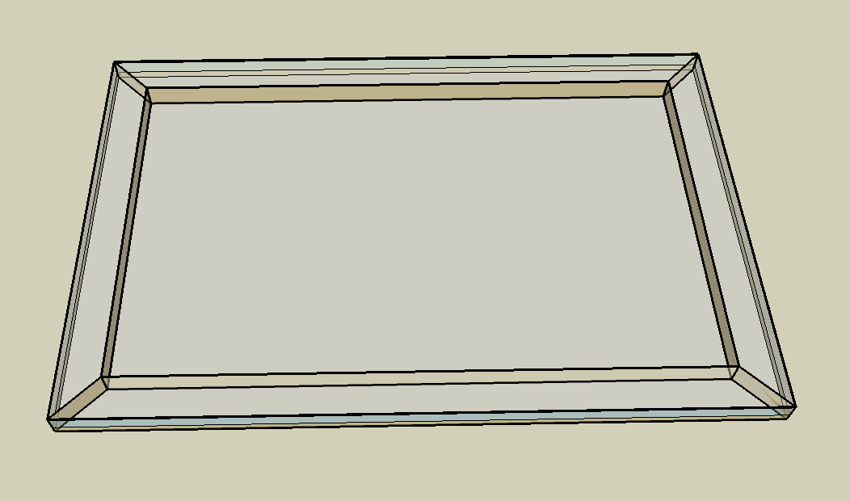
DOE Commercial Building Benchmark - Large Office

Electricity
 | Cooling | Interior Lighting | Exterior Lighting | Interior Equipment | Fans | Pumps | Heat Rejection
Miami | 1,456,005.56 | 2,052,722.22 | 13,458.33 | 1,605,172.22 | 180,652.78 | 327,266.67 | 263,925.00
Houston | 1,165,750.00 | 2,052,722.22 | 13,452.78 | 1,605,172.22 | 179,883.33 | 331,247.22 | 248,558.33
Phoenix | 906,147.22 | 2,052,722.22 | 13,450.00 | 1,605,172.22 | 218,322.22 | 301,061.11 | 243,069.44
Atlanta | 781,838.89 | 2,052,722.22 | 13,447.22 | 1,605,172.22 | 179,875.00 | 319,144.44 | 220,441.67
Los Angeles | 555,172.22 | 2,052,722.22 | 13,438.89 | 1,605,172.22 | 170,122.22 | 254,258.33 | 210,822.22
Las Vegas | 638,291.67 | 2,052,722.22 | 13,436.11 | 1,605,172.22 | 215,861.11 | 237,211.11 | 181,827.78
San Francisco | 199,722.22 | 2,052,722.22 | 13,441.67 | 1,605,172.22 | 154,905.56 | 163,158.33 | 125,150.00
Baltimore | 669,625.00 | 2,052,722.22 | 13,433.33 | 1,605,172.22 | 182,372.22 | 321,716.67 | 188,441.67
Albuquerque | 365,944.44 | 2,052,722.22 | 13,438.89 | 1,605,172.22 | 216,269.44 | 157,519.44 | 115,777.78
Seattle | 179,463.89 | 2,052,722.22 | 13,413.89 | 1,605,172.22 | 179,811.11 | 130,300.00 | 93,041.67
Chicago | 414,247.22 | 2,052,722.22 | 13,436.11 | 1,605,172.22 | 195,619.44 | 177,888.89 | 111,413.89
Boulder | 257,983.33 | 2,052,722.22 | 13,427.78 | 1,605,172.22 | 207,236.11 | 130,327.78 | 88,052.78
Minneapolis | 362,566.67 | 2,052,722.22 | 13,427.78 | 1,605,172.22 | 200,811.11 | 169,211.11 | 104,108.33
Helena | 179,816.67 | 2,052,722.22 | 13,425.00 | 1,605,172.22 | 202,697.22 | 113,113.89 | 71,038.89
Duluth | 185,933.33 | 2,052,722.22 | 13,416.67 | 1,605,172.22 | 213,330.56 | 124,391.67 | 66,833.33
Fairbanks | 118,811.11 | 2,052,722.22 | 13,333.33 | 1,605,172.22 | 264,358.33 | 122,897.22 | 57,263.89

Gas
 | Heating | Water Systems
Miami | 388,680.00 | 176,820.00
Houston | 3,490,100.00 | 211,580.00
Phoenix | 2,692,520.00 | 191,500.00
Atlanta | 5,673,690.00 | 245,150.00
Los Angeles | 2,435,370.00 | 238,720.00
Las Vegas | 4,118,020.00 | 215,610.00
San Francisco | 4,457,180.00 | 267,430.00
Baltimore | 7,732,160.00 | 271,530.00
Albuquerque | 5,451,890.00 | 266,560.00
Seattle | 8,366,060.00 | 285,330.00
Chicago | 10,651,290.00 | 294,720.00
Boulder | 7,354,550.00 | 293,510.00
Minneapolis | 13,128,800.00 | 314,720.00
Helena | 10,190,350.00 | 318,390.00
Duluth | 15,668,140.00 | 347,740.00
Fairbanks | 27,991,890.00 | 387,670.00

EUI
 | Cooling (elec) | Interior Lighting (elec) | Exterior Lighting (elec) | Interior Equipment (elec) | Fans (elec) | Pumps (elec) | Heat Rejection (elec) | Heating (gas) | Water Systems (gas)
Miami | 113.16 | 159.54 | 1.05 | 124.75 | 14.04 | 25.44 | 20.51 | 8.39 | 3.82
Houston | 90.60 | 159.54 | 1.05 | 124.75 | 13.98 | 25.74 | 19.32 | 75.35 | 4.57
Phoenix | 70.43 | 159.54 | 1.05 | 124.75 | 16.97 | 23.40 | 18.89 | 58.13 | 4.13
Atlanta | 60.76 | 159.54 | 1.05 | 124.75 | 13.98 | 24.80 | 17.13 | 122.49 | 5.29
Los Angeles | 43.15 | 159.54 | 1.04 | 124.75 | 13.22 | 19.76 | 16.39 | 52.58 | 5.15
Las Vegas | 49.61 | 159.54 | 1.04 | 124.75 | 16.78 | 18.44 | 14.13 | 88.90 | 4.65
San Francisco | 15.52 | 159.54 | 1.04 | 124.75 | 12.04 | 12.68 | 9.73 | 96.23 | 5.77
Baltimore | 52.04 | 159.54 | 1.04 | 124.75 | 14.17 | 25.00 | 14.65 | 166.93 | 5.86
Albuquerque | 28.44 | 159.54 | 1.04 | 124.75 | 16.81 | 12.24 | 9.00 | 117.70 | 5.75
Seattle | 13.95 | 159.54 | 1.04 | 124.75 | 13.97 | 10.13 | 7.23 | 180.61 | 6.16
Chicago | 32.20 | 159.54 | 1.04 | 124.75 | 15.20 | 13.83 | 8.66 | 229.95 | 6.36
Boulder | 20.05 | 159.54 | 1.04 | 124.75 | 16.11 | 10.13 | 6.84 | 158.78 | 6.34
Minneapolis | 28.18 | 159.54 | 1.04 | 124.75 | 15.61 | 13.15 | 8.09 | 283.43 | 6.79
Helena | 13.98 | 159.54 | 1.04 | 124.75 | 15.75 | 8.79 | 5.52 | 220.00 | 6.87
Duluth | 14.45 | 159.54 | 1.04 | 124.75 | 16.58 | 9.67 | 5.19 | 338.26 | 7.51
Fairbanks | 9.23 | 159.54 | 1.04 | 124.75 | 20.55 | 9.55 | 4.45 | 604.31 | 8.37

Water
 | Total Building | Water for Electricity (m3)
Miami | 23,975.56 | 3,404.02
Houston | 20,195.91 | 9,963.16
Phoenix | 31,033.47 | 174,257.00
Atlanta | 16,422.01 | 35,582.60
Los Angeles | 12,842.60 | 94,603.30
Las Vegas | 25,083.61 | 150,090.00
San Francisco | 6,827.17 | 84,991.60
Baltimore | 14,535.32 | 1,262.30
Albuquerque | 13,969.78 | 22,945.80
Seattle | 6,164.08 | 48,839.70
Chicago | 9,721.02 | 7,907.55
Boulder | 10,369.45 | 22,165.10
Minneapolis | 8,720.67 | 7,810.62
Helena | 7,665.22 | 301,797.00
Duluth | 5,546.82 | 7,428.62
Fairbanks | 5,020.47 | 4,864.19

Carbon
 | Carbon Equivalent (kg)
Miami | 1,772,420.00
Houston | 2,109,210.00
Phoenix | 1,822,920.00
Atlanta | 1,862,250.00
Los Angeles | 677,907.95
Las Vegas | 1,923,360.00
San Francisco | 650,907.84
Baltimore | 1,644,700.00
Albuquerque | 2,167,360.00
Seattle | 504,179.20
Chicago | 2,914,800.00
Boulder | 2,131,930.00
Minneapolis | 1,965,670.00
Helena | 1,930,590.00
Duluth | 1,927,780.00
Fairbanks | 1,851,440.00

LghtSch
Lighting Schedules
 | WD | Sat | Sun, Hol, Other
 | 0.05 | 0.05 | 0.05
 | 0.05 | 0.05 | 0.05
 | 0.05 | 0.05 | 0.05
 | 0.05 | 0.05 | 0.05
 | 0.05 | 0.05 | 0.05
 | 0.1 | 0.05 | 0.05
 | 0.1 | 0.1 | 0.05
 | 0.3 | 0.1 | 0.05
 | 0.9 | 0.3 | 0.05
 | 0.9 | 0.3 | 0.05
 | 0.9 | 0.3 | 0.05
 | 0.9 | 0.3 | 0.05
 | 0.9 | 0.15 | 0.05
 | 0.9 | 0.15 | 0.05
 | 0.9 | 0.15 | 0.05
 | 0.9 | 0.15 | 0.05
 | 0.9 | 0.15 | 0.05
 | 0.5 | 0.05 | 0.05
 | 0.3 | 0.05 | 0.05
 | 0.3 | 0.05 | 0.05
 | 0.2 | 0.05 | 0.05
 | 0.2 | 0.05 | 0.05
 | 0.1 | 0.05 | 0.05
 | 0.05 | 0.05 | 0.05

OccSch
Occupancy Schedules
 | WD | SummerDesign | Sun, Hol, Other
 | 0 | 0 | 0
 | 0 | 0 | 0
 | 0 | 0 | 0
 | 0 | 0 | 0
 | 0 | 0 | 0
 | 0 | 0 | 0
 | 0.1 | 1 | 0
 | 0.2 | 1 | 0
 | 0.95 | 1 | 0
 | 0.95 | 1 | 0
 | 0.95 | 1 | 0
 | 0.95 | 1 | 0
 | 0.5 | 1 | 0
 | 0.95 | 1 | 0
 | 0.95 | 1 | 0
 | 0.95 | 1 | 0
 | 0.95 | 1 | 0
 | 0.3 | 1 | 0
 | 0.1 | 1 | 0
 | 0.1 | 1 | 0
 | 0.05 | 1 | 0
 | 0.05 | 1 | 0
 | 0.05 | 0.05 | 0
 | 0.05 | 0.05 | 0

EqpSch
Equipment Schedules
 | WD | Sat | Sun, Hol, Other
 | 0.4 | 0.3 | 0.3
 | 0.4 | 0.3 | 0.3
 | 0.4 | 0.3 | 0.3
 | 0.4 | 0.3 | 0.3
 | 0.4 | 0.3 | 0.3
 | 0.4 | 0.3 | 0.3
 | 0.4 | 0.4 | 0.3
 | 0.4 | 0.4 | 0.3
 | 0.9 | 0.5 | 0.3
 | 0.9 | 0.5 | 0.3
 | 0.9 | 0.5 | 0.3
 | 0.9 | 0.5 | 0.3
 | 0.8 | 0.35 | 0.3
 | 0.9 | 0.35 | 0.3
 | 0.9 | 0.35 | 0.3
 | 0.9 | 0.35 | 0.3
 | 0.9 | 0.35 | 0.3
 | 0.5 | 0.3 | 0.3
 | 0.4 | 0.3 | 0.3
 | 0.4 | 0.3 | 0.3
 | 0.4 | 0.3 | 0.3
 | 0.4 | 0.3 | 0.3
 | 0.4 | 0.3 | 0.3
 | 0.4 | 0.3 | 0.3

HeatSch
Heating Set Point Schedules
 | SummerDesign | Sat | Sun, Hol, Other
 | 15.6 | 15.6 | 15.6
 | 15.6 | 15.6 | 15.6
 | 15.6 | 15.6 | 15.6
 | 15.6 | 15.6 | 15.6
 | 15.6 | 15.6 | 15.6
 | 15.6 | 15.6 | 15.6
 | 15.6 | 21 | 15.6
 | 15.6 | 21 | 15.6
 | 15.6 | 21 | 15.6
 | 15.6 | 21 | 15.6
 | 15.6 | 21 | 15.6
 | 15.6 | 21 | 15.6
 | 15.6 | 21 | 15.6
 | 15.6 | 21 | 15.6
 | 15.6 | 21 | 15.6
 | 15.6 | 21 | 15.6
 | 15.6 | 21 | 15.6
 | 15.6 | 15.6 | 15.6
 | 15.6 | 15.6 | 15.6
 | 15.6 | 15.6 | 15.6
 | 15.6 | 15.6 | 15.6
 | 15.6 | 15.6 | 15.6
 | 15.6 | 15.6 | 15.6
 | 15.6 | 15.6 | 15.6

CoolSch
Cooling Set Point Schedules
 | WD, SummerDesign | Sat | Sun, Hol, Other
 | 30 | 30 | 30
 | 30 | 30 | 30
 | 30 | 30 | 30
 | 30 | 30 | 30
 | 30 | 30 | 30
 | 30 | 30 | 30
 | 24 | 24 | 30
 | 24 | 24 | 30
 | 24 | 24 | 30
 | 24 | 24 | 30
 | 24 | 24 | 30
 | 24 | 24 | 30
 | 24 | 24 | 30
 | 24 | 24 | 30
 | 24 | 24 | 30
 | 24 | 24 | 30
 | 24 | 24 | 30
 | 24 | 24 | 30
 | 24 | 30 | 30
 | 24 | 30 | 30
 | 24 | 30 | 30
 | 24 | 30 | 30
 | 30 | 30 | 30
 | 30 | 30 | 30

